Q1 & Q2
1.MapReduce is a programming model and software framework, while spark is a general-purpose distributed computing system.
2.MapReduce processes data on disk, while spark processes data in memory.
3.MapReduce is designed for batch processing , while spark supports batch, stream, machine and graph processing.
4.MapReduce is typically used with Hadoop, while Spark can be used with various cluster managers, including Hadoop YARN, Apache Mesos and standalone mode.
1.Flume is a distributed, reliable and available service used to efficiently collect, aggregate and move large amounts of streaming data from various sources to a centralized Hadoop cluster.
2.Flume is typically used to ingest data from sources such as web servers, social media sites and IoT devices.
3.Sqoop, on the other hand is a command-line tool used to transfer data between relational databases and Hadoop clusters
4.Sqoop is used to import data from relational databases such as MySQL, Oracle and SQL Server to HDFS and export data from HDFS to relational databases.

Q3
To extract important data from the resumes in the given template, I would use Python programming language and the following libraries and frameworks:
SpaCy : To perform NER and POS tagging on the resume texts.
NLTK : To perform text classification using machine learning algorithms.
Pandas: To read and manipulate data in tabular form.
Numpy: To perform numerical operations and calculations.
The first sheet would have the following columns:
Source
Full Name
Address
Phone Number
Email ID
Skills
Experience
Projects Worked

Q4
The transformations that I would perform are:
1. Create a column for the candidate’s highest education degree based on the “Education” section in the resume.
2. Remove duplicates as there are 3 sources.
3. Format the columns such as Phone Number, Full Name etc.
4. Remove the employees who did not meet eligible criteria.
5. Normalization

Q5
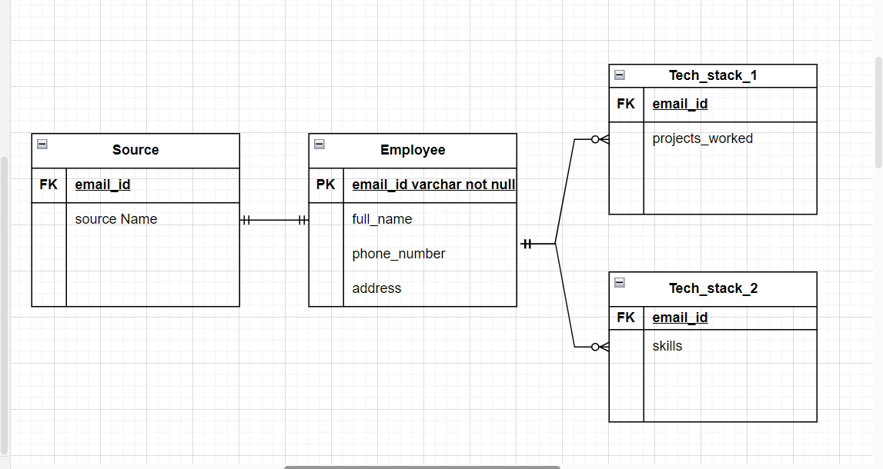
4
Entity Relationship Model

